Vacation plan
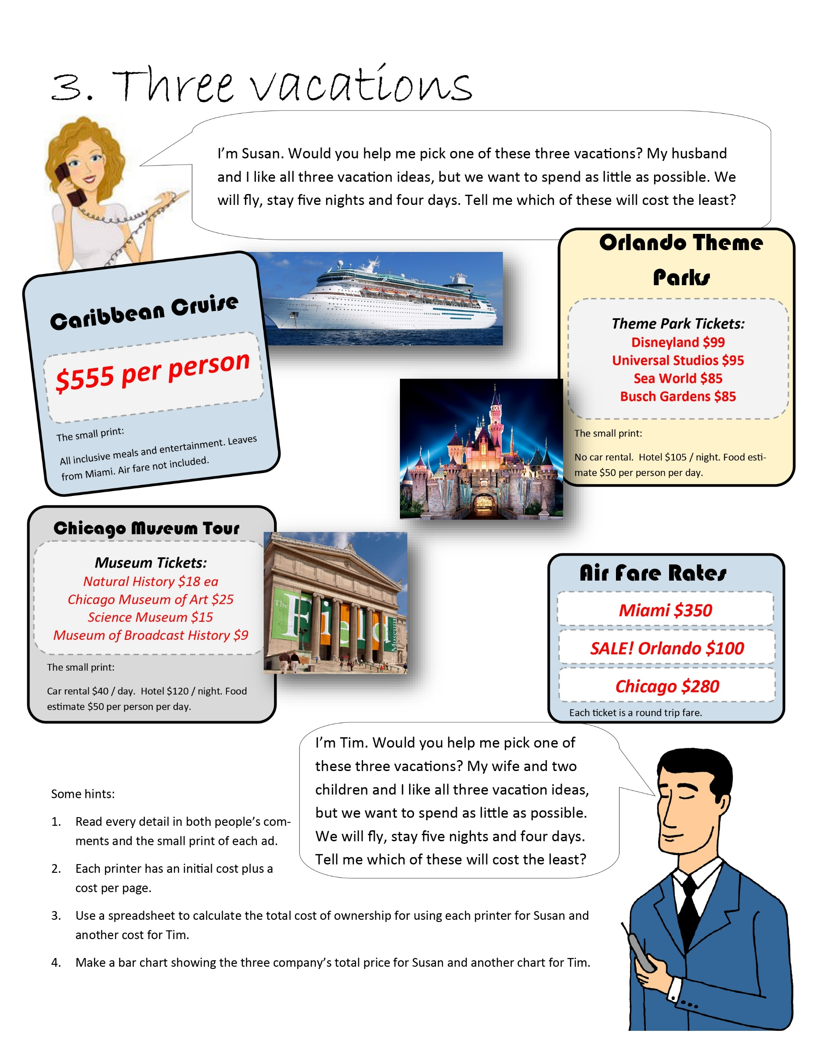
Susan | Chicago Museum | Orlando theme parks | Caribbean Cruise

Per person expenses
Air Fare | $280 | $100 | $350
Natural History | $18 | $- | $-
Chicago Museum of Art | $25 | $- | $-
Science Museum | $15 | $- | $-
Museum of Broadcast History | $9 | $- | $-
Disneyland | $- | $99 | $-
Universal Studios | $- | $95 | $-
Cruise | $- | $- | $555
Sea World | $- | $85 | $-
Busch Gardens | $- | $85 | $-

Susan Vacation Chart
Susan Vacation Chart
Sub total of tickets (per person) | $347 | $464 | $905
Number of People in group | 2 | 2 | 2
Total costs of tickets | $694 | $928 | $1,810

Hotel and Car rental Expenses
Food | $50 | $50 | $-
People feeding | 2 | 2 | 0
Feeding days | 4 | 4 | 0
Hotel cost per night | $120 | $105 | $-
Number of nights | 5 | 5 | 0
Car rental days | 4 | 0 | 0
Car rental | $40 | $- | $-
Hotel total | $600 | $525 | $-
food total | $400 | $400 | $-
Car rental total | £160 | £- | £-

Grand Total on Vacation | $1,854 | $1,853 | $1,810

Tim | Chicago Museum | Orlando theme parks | Caribbean Cruise

Per person expenses
Air Fare | $280 | $100 | $350
Natural History | $18 | $- | $-
Chicago Museum of Art | $25 | $- | $-
Tim Vacation Chart
Tim Vacation Chart
Science Museum | $15 | $- | $-
Museum of Broadcast History | $9 | $- | $-
Disneyland | $- | $99 | $-
Universal Studios | $- | $95 | $-
Cruise | $- | $- | $555
Sea World | $- | $85 | $-
Busch Gardens | $- | $85 | $-

Sub total of tickets (per person) | $347 | $464 | $905
Number of People in group | 4 | 4 | 4
Total costs of tickets | $1,388 | $1,856 | $3,620

Hotel and Car rental Expenses
Food | $50 | $50 | $-
People feeding | 4 | 4 | 0
Feeding days | 5 | 5 | 0
Hotel cost per night | $120 | $105 | $-
Number of nights | 5 | 5 | 0
Car rental days | 4 | 0 | 0
Car rental | $40 | $- | $-
Hotel total | $600 | $525 | $-
food total | $1,000 | $1,000 | $-
Car rental total | £160 | £- | £-

Grand Total on Vacation | $3,148 | $3,381 | $3,620

Printer Decision
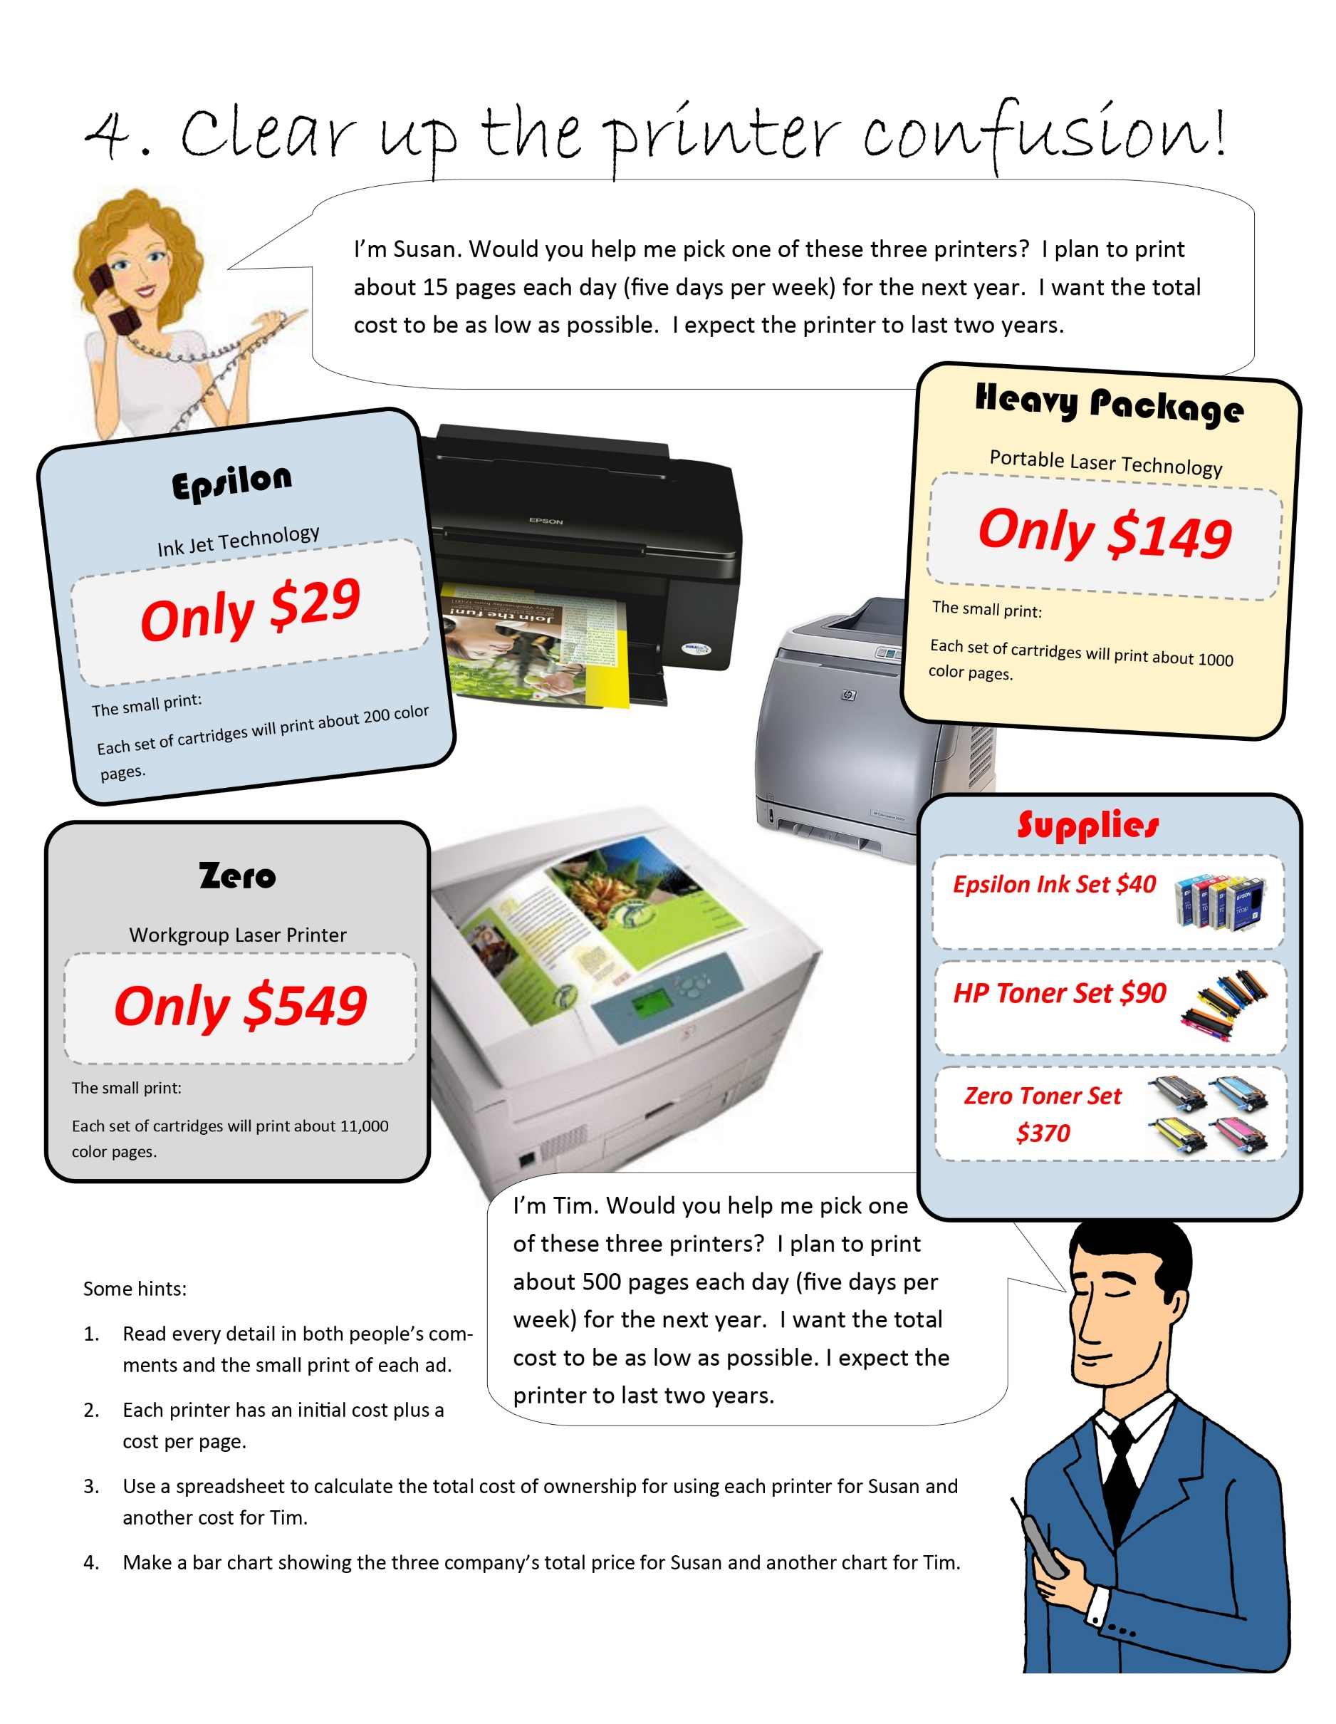
Susan | Epsilon | Heavy package | Zero | Tim | Epsilon | Heavy package | Zero
Purchase Price | $29 | $149 | $549 | Purchase Price | $29 | $149 | $549

Cost of each set of cartridges | $40 | $90 | $370 | Cost of each set of cartridges | $40 | $90 | $370
Pages each set of cartridges can print | 200 | 1,000 | 11,000 | Pages each set of cartridges can print | 200 | 1,000 | 11,000
Cost per page | $0.20 | $0.09 | $0.03 | Cost per page | $0.20 | $0.09 | $0.03

Expected pages per day | 15 |  |  | Expected pages per day | 500
Days in a week | 5 |  |  | Days in a week | 5
Weeks in a Year | 50 |  |  | Weeks in a Year | 50
Total Pages in a year | 3,750 |  |  | Total Pages in a year | 125,000

Cost of printing per page | $0.20 | $0.09 | $0.03 | Cost of printing per page | $0.20 | $0.09 | $0.03
Total pages in a year | 3,750 | 3,750 | 3,750 | Total pages in a year | 125,000 | 125,000 | 125,000

Total printing cost per year | $750.0 | $337.5 | $112.5 | Total printing cost per year | $25,000.0 | $11,250.0 | $3,750.0
Years | 2 | 2 | 2 | Years | 2 | 2 | 2
Total cost in years of printing | $1,500 | $675 | $225 | Total cost in years of printing | $50,000 | $22,500 | $7,500
 | Epsilon | Heavy Package | Zero |  | Epsilon | Heavy Package | Zero
Grand total amount spent on printer | $1,529 | $824 | $774 | Grand total amount spent on printer | $50,029 | $22,649 | $8,049
Susan Printer decision chart
Tim Printer Decision chart

TIM AND SUSAN CAR
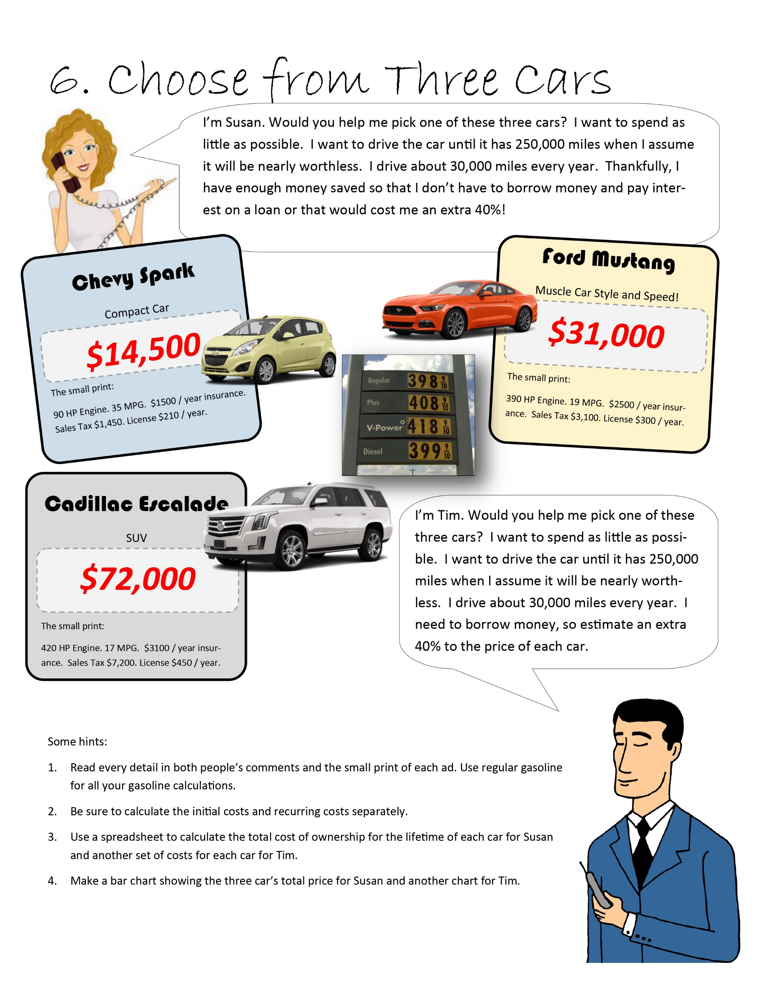
Susan |  | Spark | Mustang | Escalade | Tim | Spark | Mustang | Escalade
Intial cost |  |  |  |  | Intial cost
Purchase cost |  | $14,500 | $31,000 | $72,000 | Purchase cost | $14,500 | $31,000 | $72,000
Taxes |  | 1450 | 3100 | 7200 | Taxes | 1450 | 3100 | 7200
 |  |  |  |  | Extra interest | 40% | 40% | 40%
 |  |  |  |  | Extra price | $5,800 | $12,400 | $28,800
 |  |  |  |  | Total Initial purchase | $21,750 | $46,500 | $108,000

Yearly cost |  |  |  |  | Yearly cost
Insurance |  | 1500 | 2500 | 3100 | Insurance | 1500 | 2500 | 3100
License |  | 210 | 300 | 450 | License | 210 | 300 | 450
Gas |  |  |  |  | Gas

Gas calculation |  |  |  |  | Gas calculation
Miles per year driven |  | 30,000 | 30,000 | 30,000 | Miles per year driven | 30,000 | 30,000 | 30,000
MPG(Mile per gallon) |  | 35 | 19 | 17 | MPG(Mile per gallon) | 35 | 19 | 17
Price per gal of gas |  | $3.98 | $3.98 | $3.98 | Price per gal of gas | $3.98 | $3.98 | $3.98
Total annual gas purchase |  | $3,411.43 | $6,284.21 | $7,023.53 | Total annual gas purchase | $3,411.43 | $6,284.21 | $7,023.53

Total Annual cost (Ins+Lic+Gas) |  | $5,121.43 | $9,084.21 | $10,573.53 | Total Annual cost (Ins+Lic+Gas) | $5,121.43 | $9,084.21 | $10,573.53

Miles to drive each year |  | 30,000 | 30,000 | 30,000 | Miles to drive each year | 30,000 | 30,000 | 30,000
Susan's goal for maximum miles |  | 250,000 | 250,000 | 250,000 | Susan's goal for maximum miles | 250,000 | 250,000 | 250,000
Total life of the care years |  | 8.333 | 8.333 | 8.333 | Total life of the care years | 8.333 | 8.333 | 8.333

Annual Costs X Years of the car |  | $42,679 | $75,702 | $88,113 | Annual Costs X Years of the car | $42,679 | $75,702 | $88,113

Total lifetime cost |  | $58,629 | $109,802 | $167,313 | Total lifetime cost | $64,429 | $122,202 | $196,113
Avg/Cost per year |  | $7,035.43 | $13,176.21 | $20,077.53 | Avg/Cost per year | $7,731.74 | $14,664.80 | $23,534.47
TIM

 | 1

Shopping List
 | Waltmart | Dollar Trap | Office Repo | Susan Shopping list | Waltmart | Dollar Trap | Office Repo | Tim’s Shopping List |  | Waltmart | Dollar Trap | Office Repo
Ball Point Pen | $0.50 | $0.40 | $1.40 | 3 | $1.50 | $1.20 | $4.20 | 5 Ball Point Pens | 5 | $2.50 | $2.00 | $7.00
TI-35 Calculator | $28.00 | $33.00 | $31.00 | 1 | $28.00 | $33.00 | $31.00 | 1 TI-35 Calculator | 1 | $28.00 | $33.00 | $31.00
100 page notebook ... $1.80 | $1.80 | $1.00 | $2.00 | 7 | $12.60 | $7.00 | $14.00 | 4 100 page notebooks | 4 | $7.20 | $4.00 | $8.00
8 oz Glue | $1.00 | $0.80 | $1.50 | 1 | $1.00 | $0.80 | $1.50 | 2 bottles of 8 oz Glue | 2 | $2.00 | $1.60 | $3.00
Clear tape | $2.00 | $1.40 | $2.40 | 2 | $4.00 | $2.80 | $4.80 | 2 rolls of clear tape | 2 | $4.00 | $2.80 | $4.80
Eraser | $0.90 | $0.20 | $0.80 | 2 | $1.80 | $0.40 | $1.60 | 2 Erasers | 2 | $1.80 | $0.40 | $1.60
10 No. 2 Pencils | $0.90 | $0.59 | $2.59 | 10 | $9.00 | $5.90 | $25.90 | 10 No. 2 Pencils | 10 | $9.00 | $5.90 | $25.90
2 inch binder | $1.20 | $3.25 | $2.15 | 4 | $4.80 | $13.00 | $8.60 | 1 2 inch binders | 1 | $1.20 | $3.25 | $2.15
USB Stick 5gb | $9.50 | $14.00 | $13.00 | 1 | $9.50 | $14.00 | $13.00 | 1 USB Stick 5gb | 1 | $9.50 | $14.00 | $13.00
8 Color Markers | $4.50 | $2.55 | $6.00 | 1 | $4.50 | $2.55 | $6.00 | 1 box of 8 Color Mark-ers | 1 | $4.50 | $2.55 | $6.00
Stapler | $4.20 | $2.20 | $3.00 | 1 | $4.20 | $2.20 | $3.00 | 2 Bottle Liquid Paper | 2 | $4.00 | $2.00 | $6.00
Planner Book | $3.90 | $5.00 | $8.00 | 1 | $3.90 | $5.00 | $8.00
Protractor | $1.00 | $2.00 | $1.00 | 1 | $1.00 | $2.00 | $1.00 |  |  | $73.70 | $71.50 | $108.45
Tim Store choice chart
Compass | $1.00 | $2.00 | $1.00 | 1 | $1.00 | $2.00 | $1.00
Liquid Paper | $2.00 | $1.00 | $3.00 | 1 | $2.00 | $1.00 | $3.00

Sum |  |  |  |  | $88.80 | $92.85 | $126.60

Store Price chart

